Results
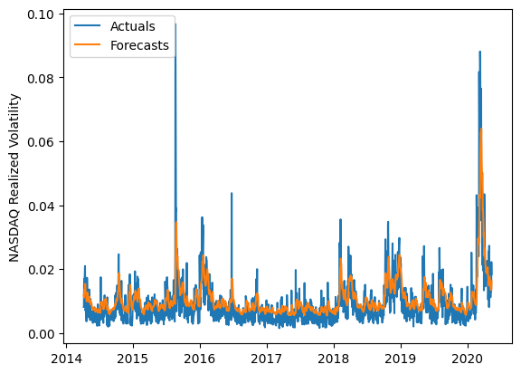
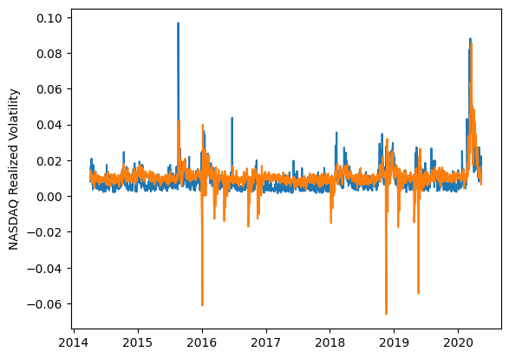
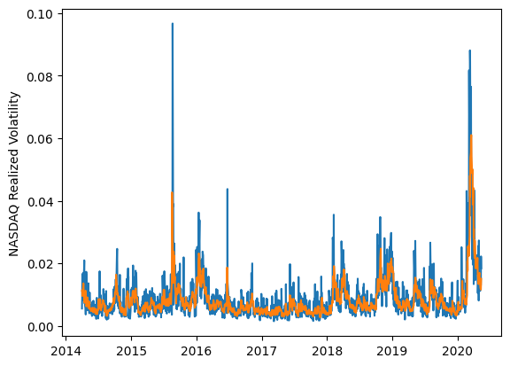
 | LSTM |  |  | TCN |  |  | NBEATSx |  |  |  |  | LSTM |  |  | TCN |  |  | NBEATSx
 | Accuracy | RMSE | Qlike | Accuracy | RMSE | Qlike | Accuracy | RMSE | Qlike |  |  | Accuracy | RMSE | Qlike | Accuracy | RMSE | Qlike | Accuracy | RMSE | Qlike
Trial 1 | 43.48% | 0.359% | 0.114 | 39.55% | 0.409% | 0.198 | 66.93% | 0.288% | 0.088 |  | Mean | 54.38% | 0.324% | 0.104 | 44.57% | 0.425% | 0.209 | 66.66% | 0.286% | 0.084
Trial 2 | 57.72% | 0.312% | 0.096 | 55.73% | 0.366% | 0.143 | 66.96% | 0.281% | 0.080 |  | Standard Deviation | 10.14% | 0.035% | 0.011 | 12.08% | 0.053% | 0.087 | 0.74% | 0.003% | 0.002
Trial 3 | 55.69% | 0.312% | 0.096 | 39.06% | 0.524% | 0.466 | 66.23% | 0.287% | 0.084 |  | 95% CI upper bound | 74.66% | 0.394% | 0.126 | 68.74% | 0.532% | 0.382 | 68.14% | 0.292% | 0.089
Trial 4 | 53.04% | 0.323% | 0.100 | 48.32% | 0.455% | 0.208 | 66.22% | 0.289% | 0.084 |  | 95% CI lower bound | 34.10% | 0.255% | 0.081 | 20.40% | 0.318% | 0.035 | 65.18% | 0.280% | 0.079
Trial 5 | 64.00% | 0.299% | 0.102 | 49.02% | 0.374% | 0.157 | 66.96% | 0.285% | 0.083 |  | 99.7% CI upper bound | 84.80% | 0.428% | 0.138 | 80.82% | 0.585% | 0.469 | 68.88% | 0.294% | 0.091
Trial 6 | 48.28% | 0.340% | 0.105 | 49.96% | 0.389% | 0.167 | 65.50% | 0.289% | 0.084 |  | 99.7% CI lower bound | 23.96% | 0.220% | 0.070 | 8.32% | 0.265% | -0.051 | 64.45% | 0.277% | 0.076
Trial 7 | 38.28% | 0.381% | 0.123 | 54.17% | 0.394% | 0.164 | 66.05% | 0.287% | 0.082
Trial 8 | 51.21% | 0.330% | 0.101 | 40.34% | 0.434% | 0.200 | 66.98% | 0.281% | 0.079
Trial 9 | 57.37% | 0.309% | 0.095 | 22.70% | 0.480% | 0.284 | 67.25% | 0.287% | 0.087
Trial 10 | 55.12% | 0.317% | 0.097 | 49.80% | 0.382% | 0.164 | 67.01% | 0.286% | 0.086
Trial 11 | 65.13% | 0.293% | 0.099 | 43.89% | 0.436% | 0.178 | 67.39% | 0.285% | 0.085
Trial 12 | 32.70% | 0.409% | 0.133 | 54.47% | 0.415% | 0.193 | 66.14% | 0.284% | 0.081
Trial 13 | 65.18% | 0.289% | 0.095 | 51.58% | 0.363% | 0.151 | 65.16% | 0.290% | 0.083
Trial 14 | 64.52% | 0.300% | 0.104 | 55.65% | 0.425% | 0.142 | 67.58% | 0.283% | 0.085
Trial 15 | 63.98% | 0.293% | 0.095 | 14.32% | 0.531% | 0.315 | 67.57% | 0.284% | 0.083

 | LSTM (best trial) |  |  |  |  |  |  |  |  | TCN (best trial) |  |  |  |  |  |  |  |  | NBEATSx (best trial)

